Sheet2
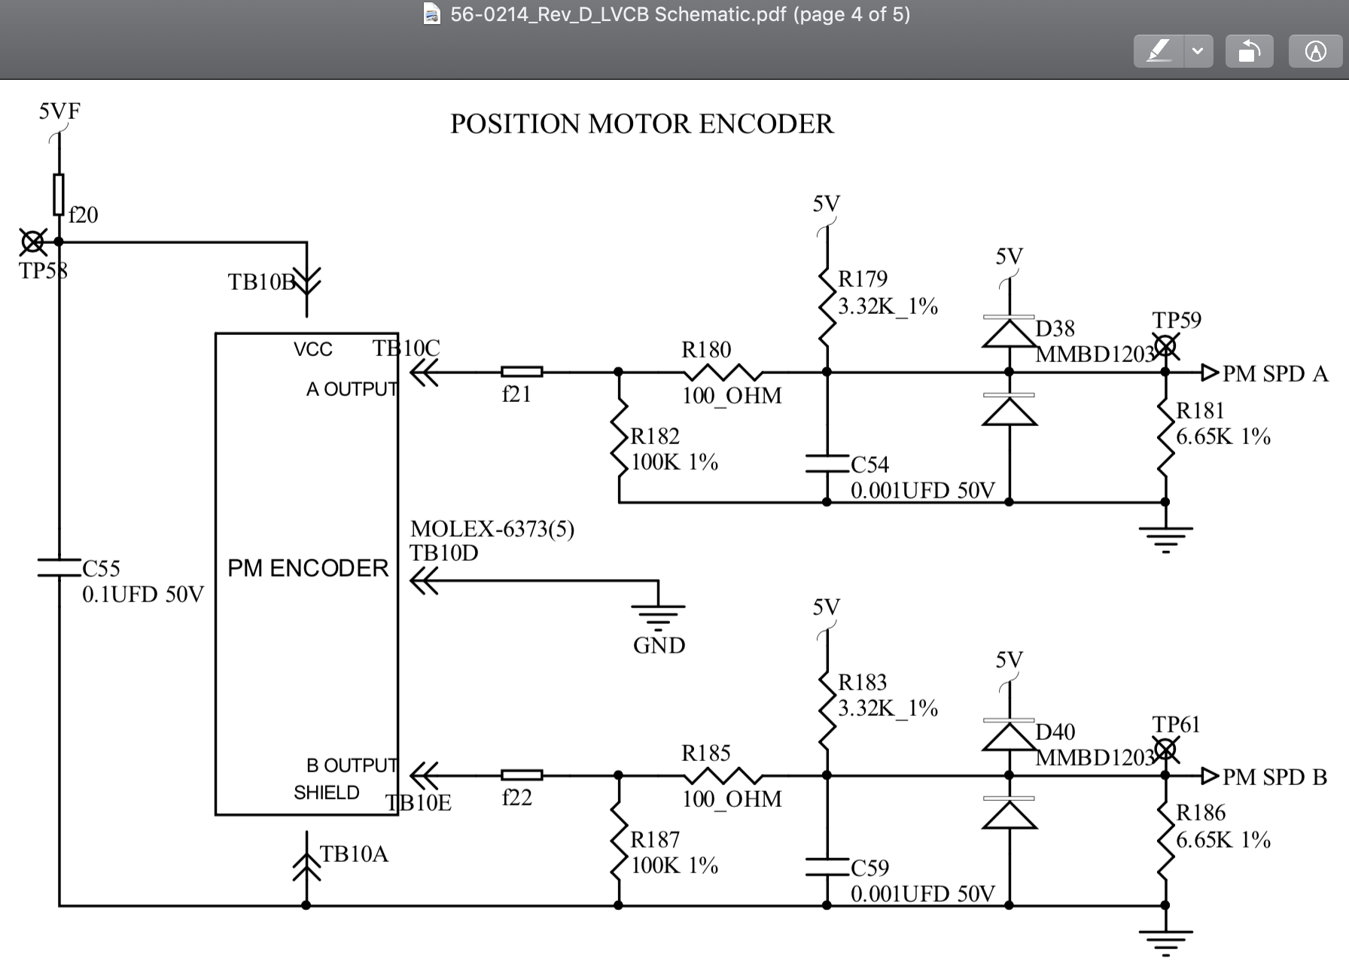
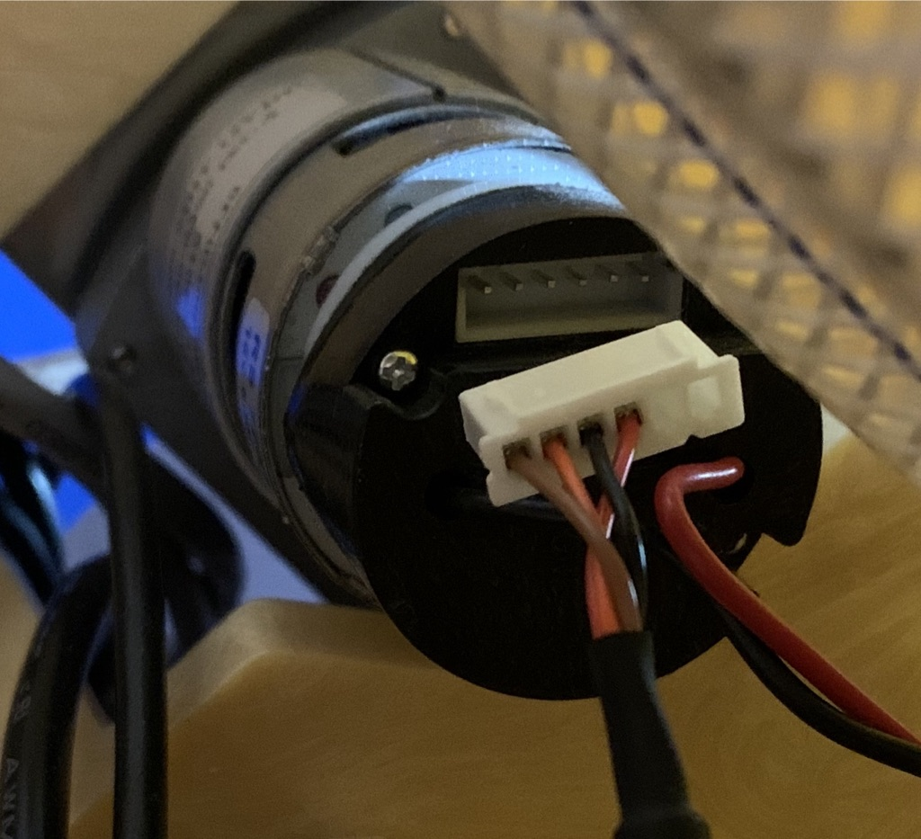

 | PRODUCTION PM TACH CABLE
 | BRN | ORG | BLK | RED
 |  |  |  | 5VF
 | B | A | GND | VCC

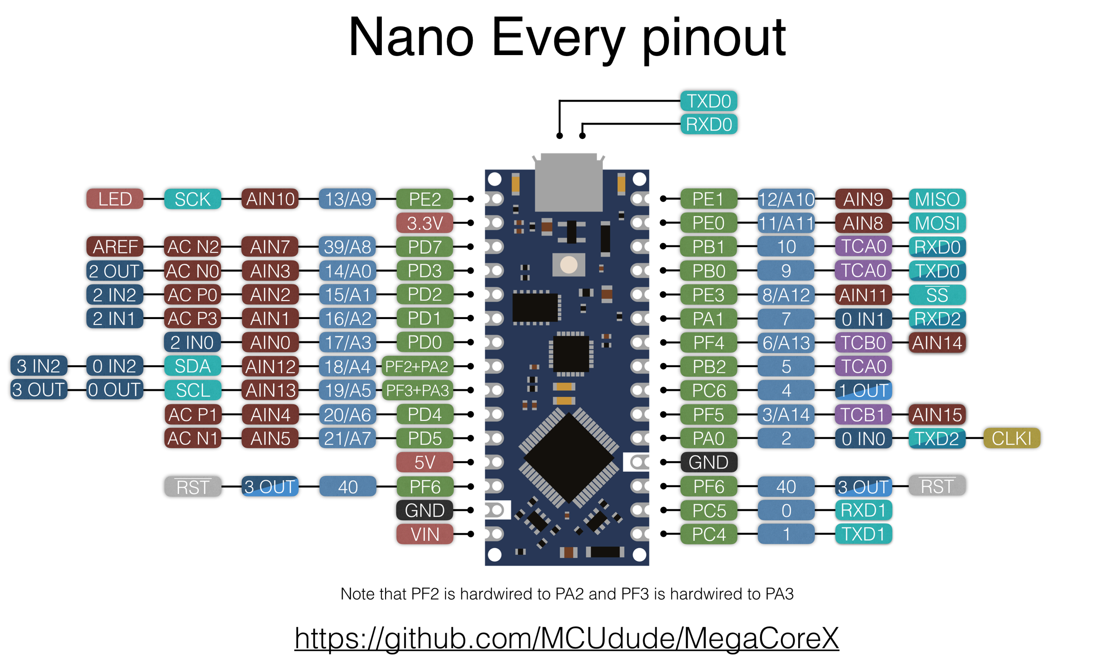

OLED DATA
OLED CLOCK

